Sheet2
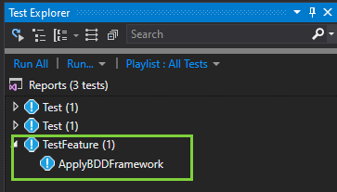
Install Specflow Extension
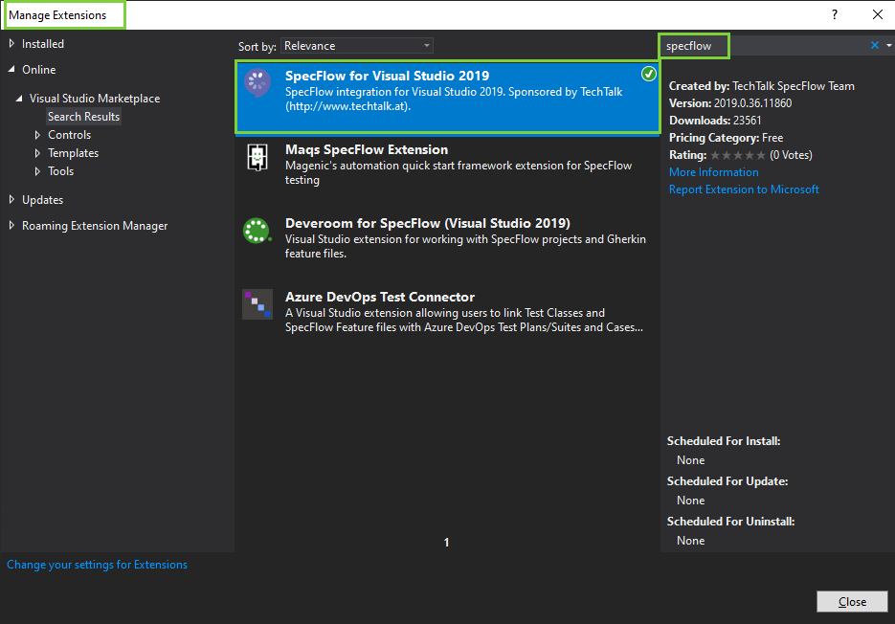

Because I'm using Visual 2019 so I installed Specflow for Visual Studio 2019

After build the solution, if you do not see the Test Apply BDD Framework as the screenshot below. PLEASE close and re-build again

